Summary
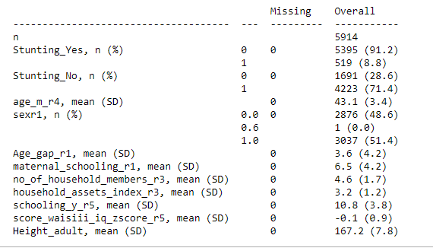
Summary | After Winsorization-Outlier capping

After KNN imputation

Stunting Models
Before Imputation

Cognition |  | Schooling years |  | Height

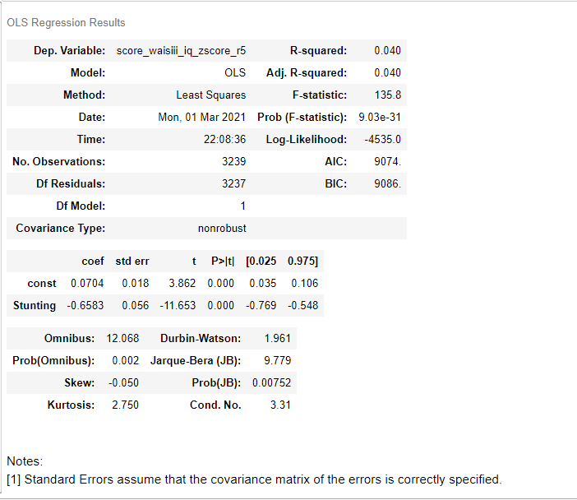
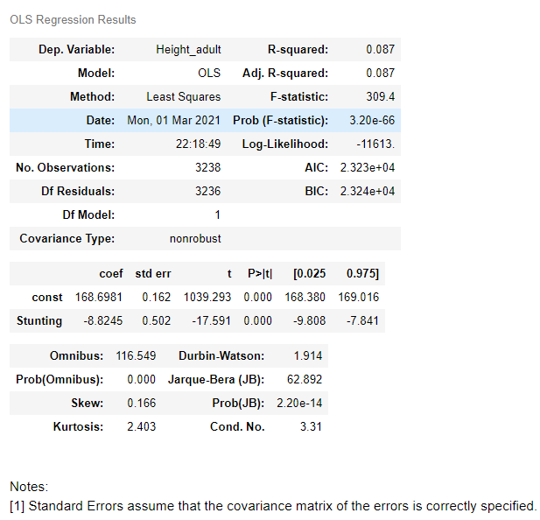
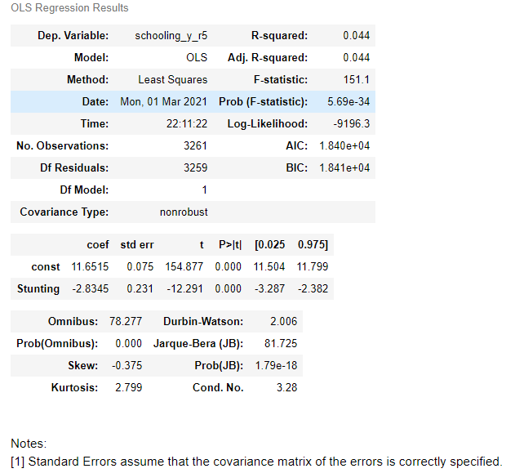

 |  |  | p-value: <.001 |  | p-value: <.001
 | p-value: <.001
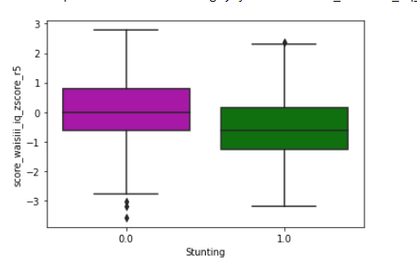
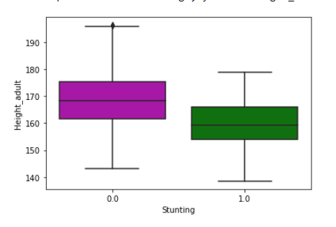
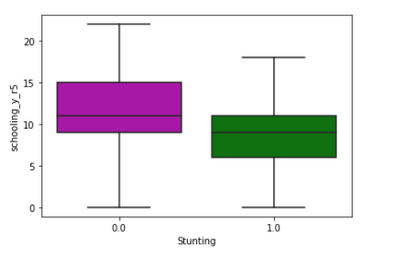

After KNN imputation

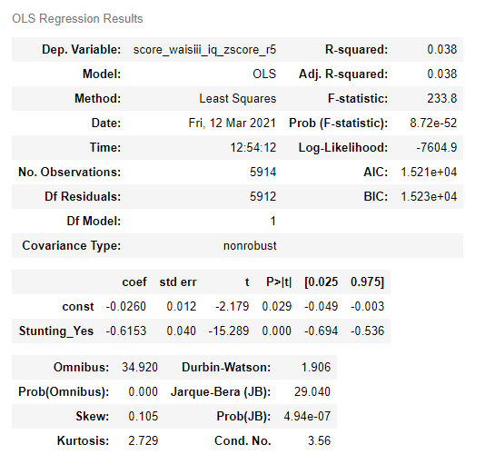
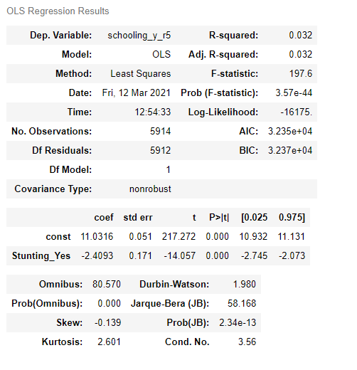
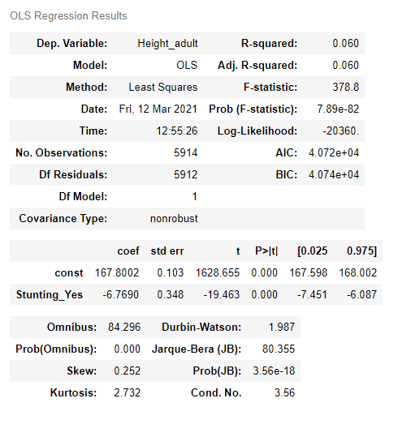

scikit ml

Models with covariates
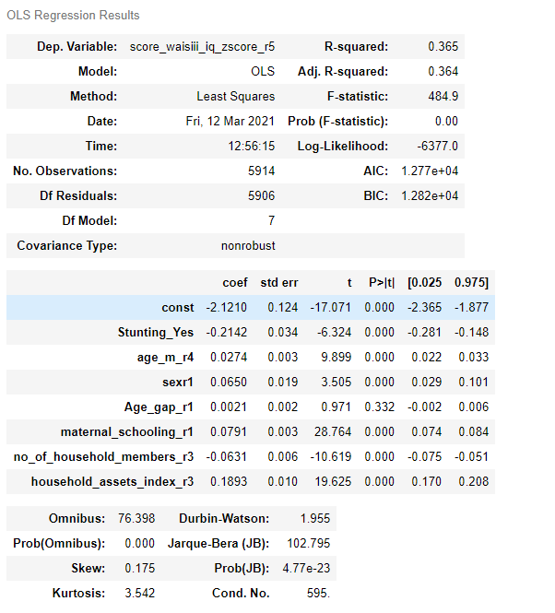
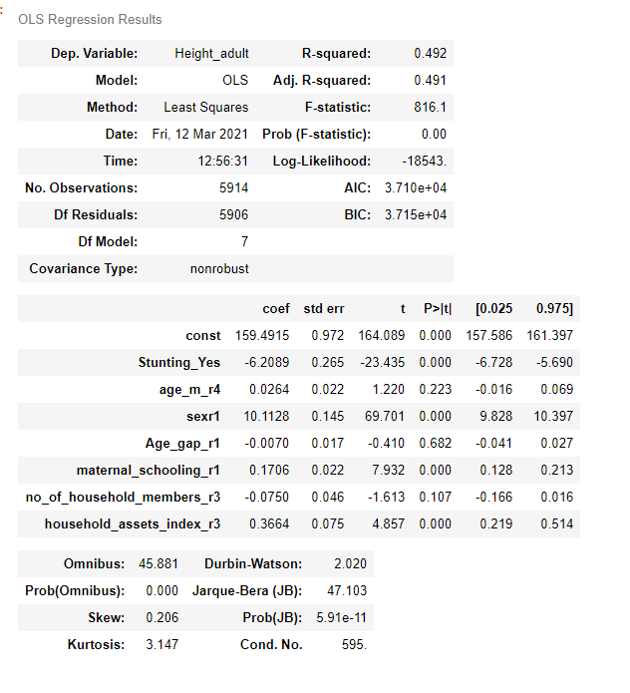
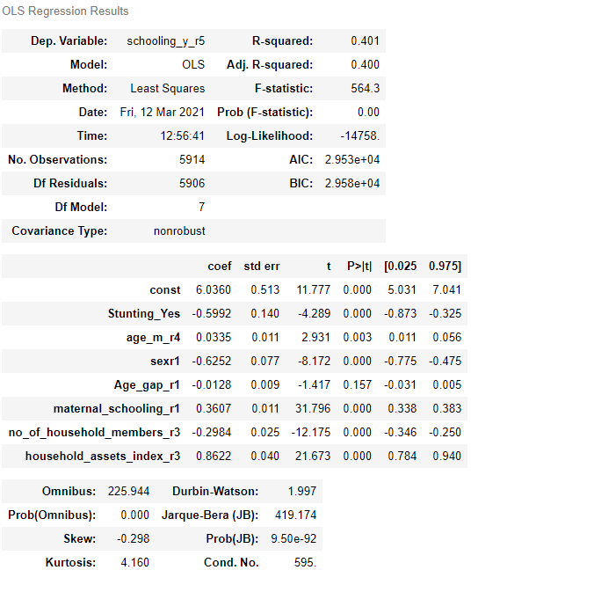
Before Imputation
Cognition |  | Adult Height |  | Education

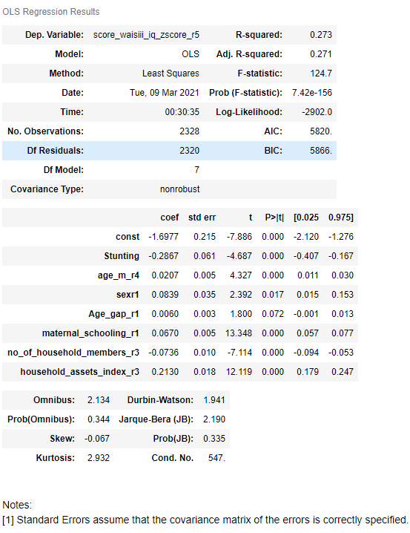
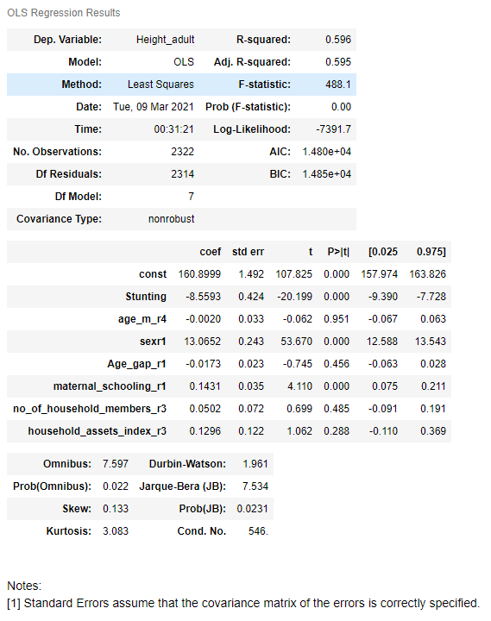
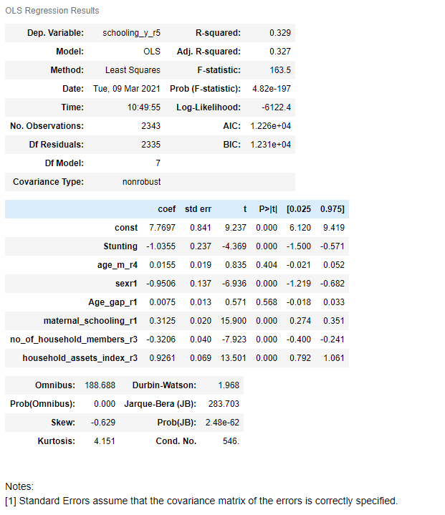

 | *** |  | *** |  | ***
 | ***
 |  |  | ***
 |  |  |  |  | ***

 | *** |  | *** |  | ***
 | *** |  |  |  | ***
 | *** |  |  |  | ***

Signif. codes: 0 ‘***’ 0.001 ‘**’ 0.01 ‘*’ 0.05 ‘.’ 0.1 ‘ ’ 1

Regression using KNN Imputed dataset Scikit learn Package
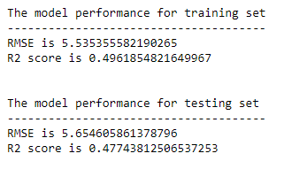
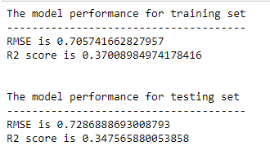
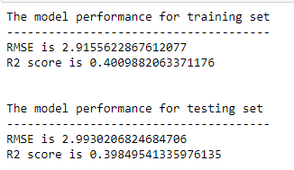

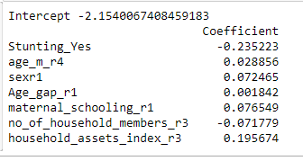
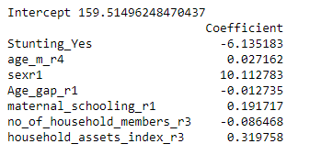
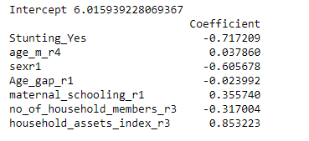

After KNN Imputation

Bayesian
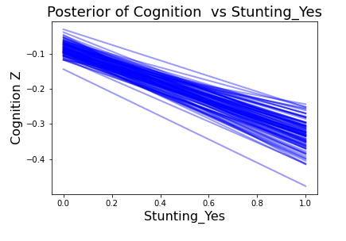
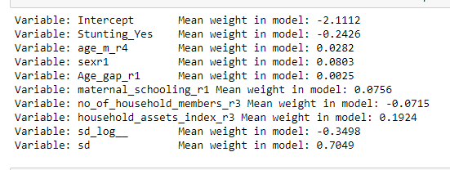
Bayesian lInear regression | Cognition

Prior Choice
Brazil
mu=87, sigma=5.08 | Flores-Mendoza, C. et al. 2012
Normal Distribution

Posterior Distribution Approximate

MCMC simulation

Bayesian Generalized Linear Regression Formula

'score_waisiii_iq_zscore_r5 ~ Stunting_Yes + age_m_r4 + sexr1 + Age_gap_r1 + maternal_schooling_r1 + no_of_household_members_r3 + household_assets_index_r3'

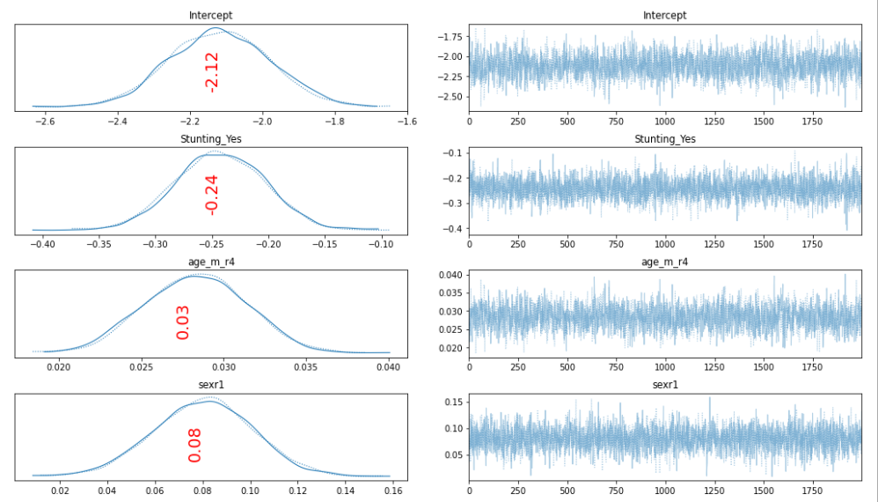
Plot Trace

 |  |  | Original dataset

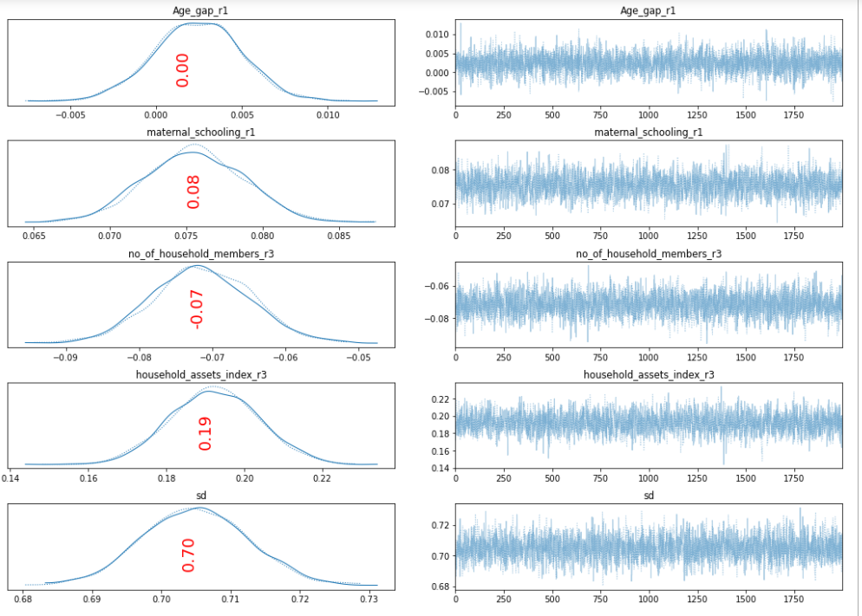

 |  |  | non info

 |  |  | Info | mean0 | sd1

Posterior Plots

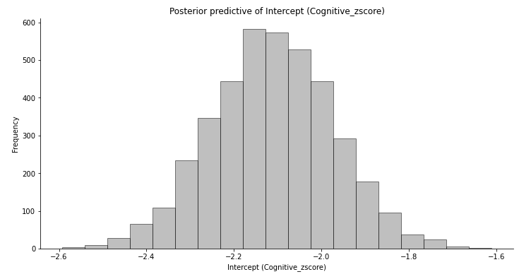
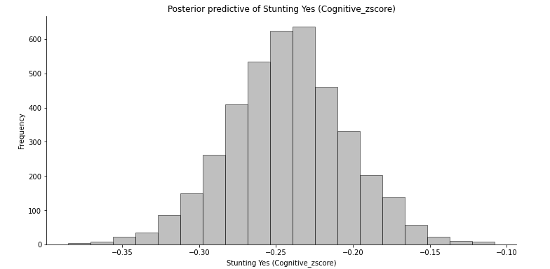

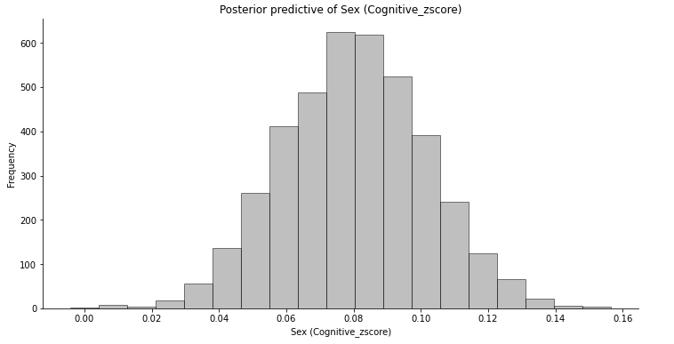
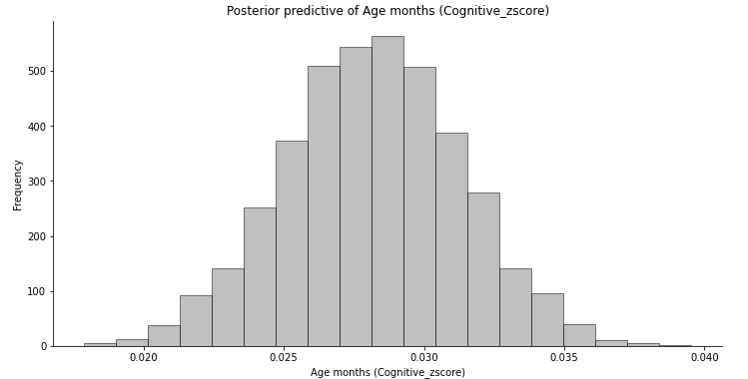

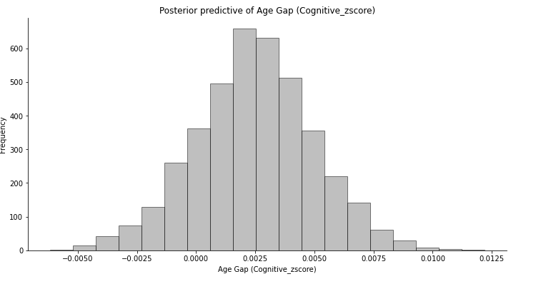
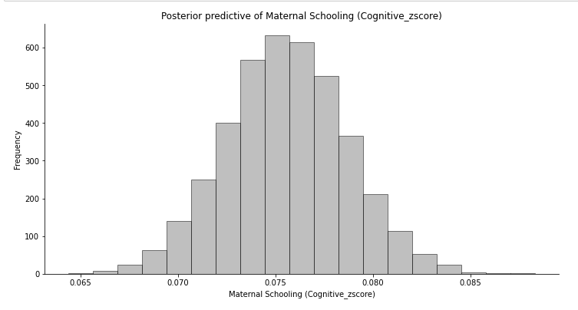

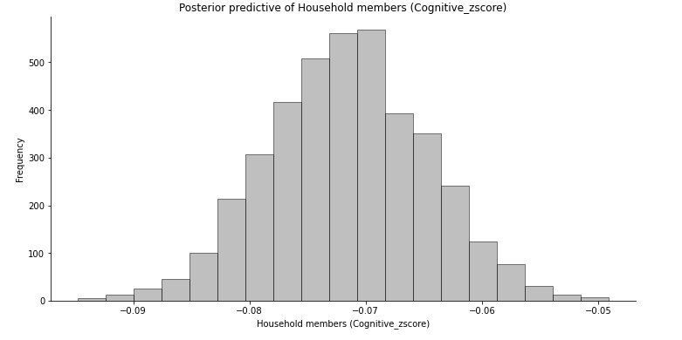
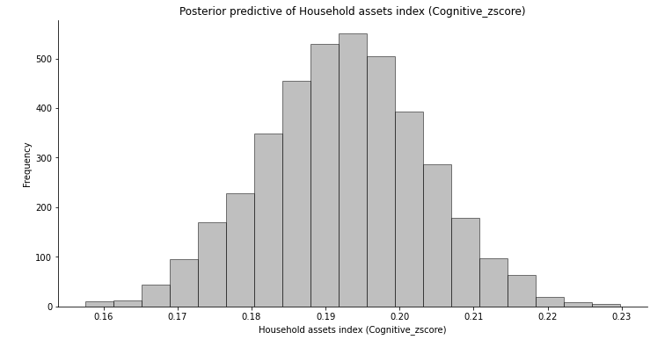

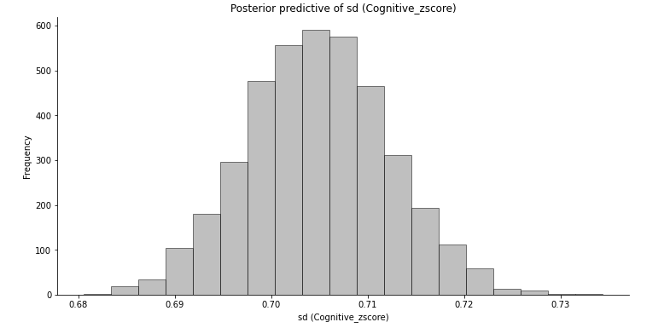

 |  | Model Variable Effects
 |  | effect of changing one variable while holding the others constant

Bayesian II
Bayesian lInear regression | Height

Prior Choice

Prior Choice
Brazil
mu=170, sigma=7.8
Normal Distribution

Posterior Distribution Approximate

MCMC simulation

Bayesian Generalized Linear Regression Formula

'Height_adult ~ Stunting_Yes + age_m_r4 + sexr1 + Age_gap_r1 + maternal_schooling_r1 + no_of_household_members_r3 + household_assets_index_r3'
 |  |  |  |  |  | Posterior Plots
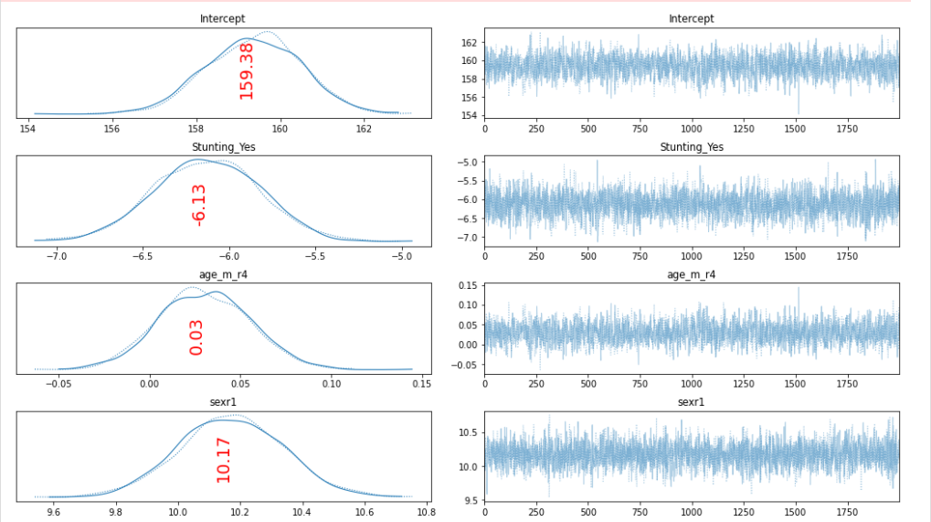
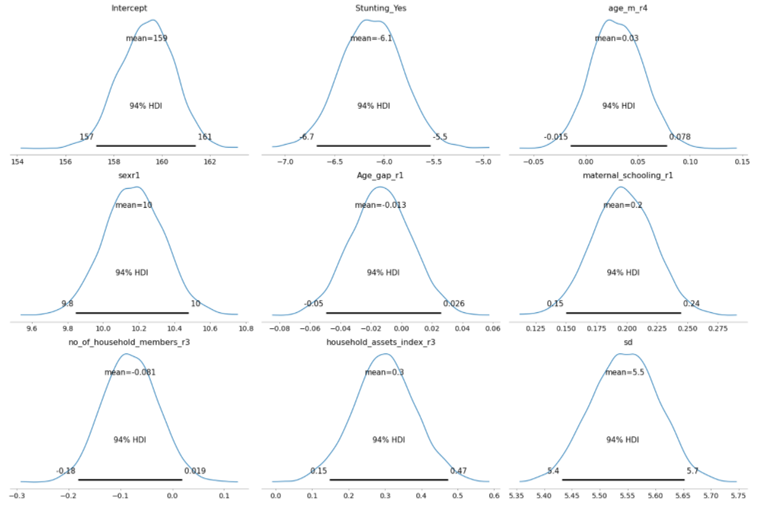

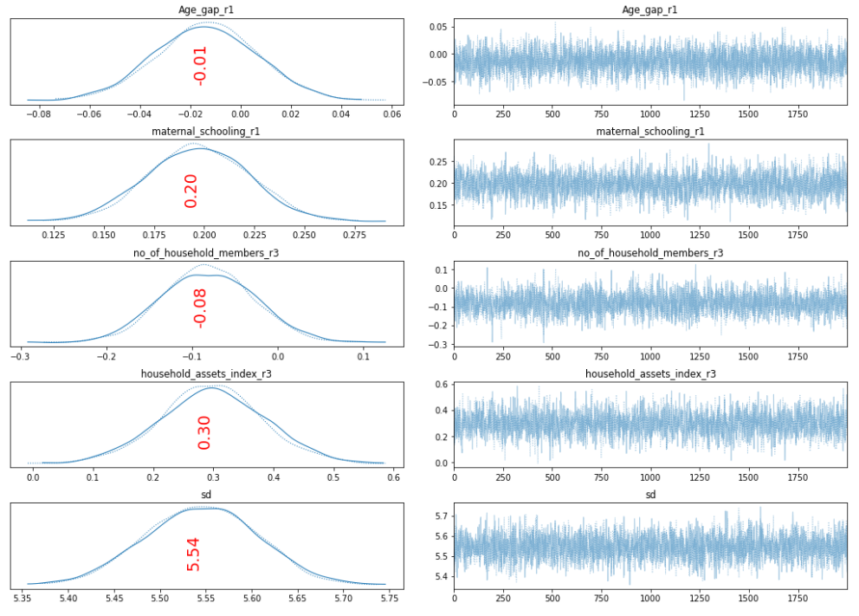

 |  |  |  |  |  | Model Variable Effects
 |  |  |  |  |  | effect of changing one variable while holding the others constant

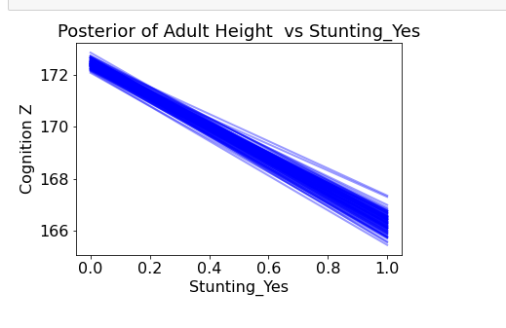

 |  |  |  |  | orig

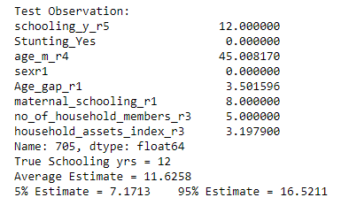

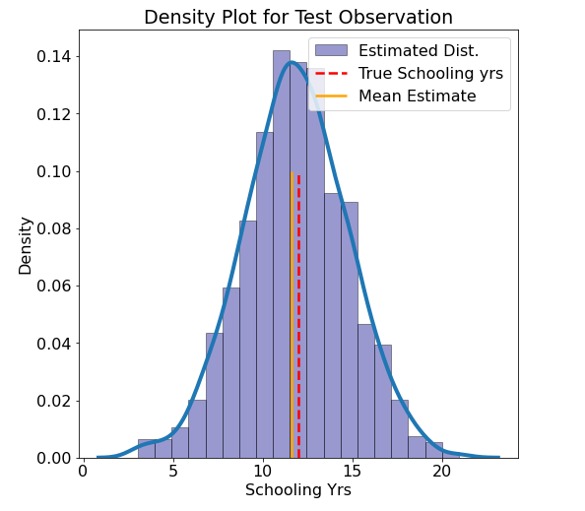

 |  |  | After KNN imputation

 |  |  | info | m 170 | sd | 7.8

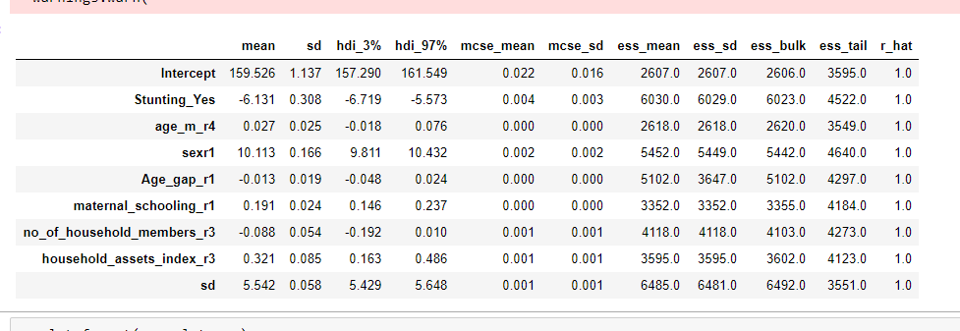

 |  | 'Height_adult': pm.Normal.dist(mu=167.9, sigma=7.8),
 |  | 'Height_adult': pm.Normal.dist(mu=165, sigma=7.8),
 |  | 'Height_adult': pm.Normal.dist(mu=167, sigma=7.8),
 |  | 'Height_adult': pm.Normal.dist(mu=165.4, sigma=7.8),
 |  | 'Height_adult': pm.Normal.dist(mu=175.5, sigma=7.8),
 |  | 'Height_adult': pm.Normal.dist(mu=171.7, sigma=7.8)

Bayesian III
Bayesian lInear regression | Education

Prior Choice

Prior Choice
Brazil
mu=15.4, sigma=3.8
Normal Distribution

Posterior Distribution Approximate

MCMC simulation

Bayesian Generalized Linear Regression Formula

'schooling_y_r5 ~ Stunting_Yes + age_m_r4 + sexr1 + Age_gap_r1 + maternal_schooling_r1 + no_of_household_members_r3 + household_assets_index_r3'

Trace

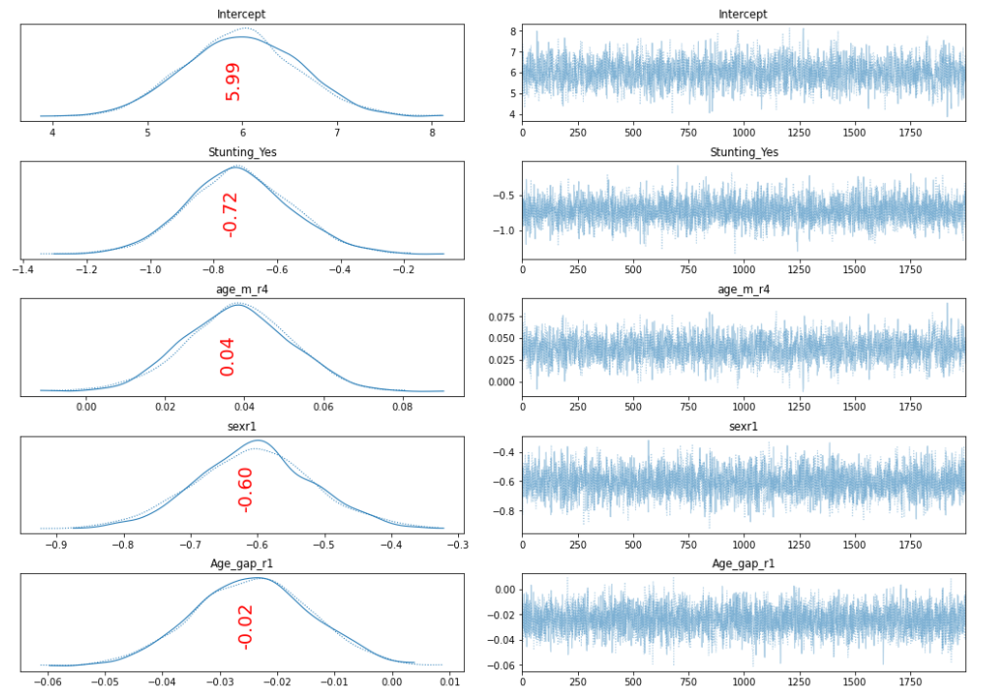

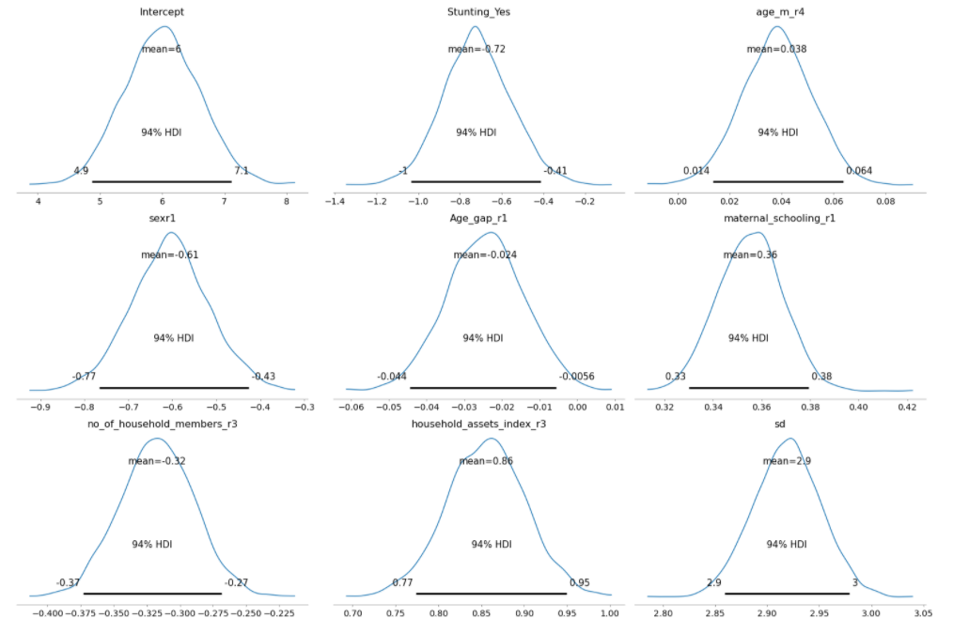

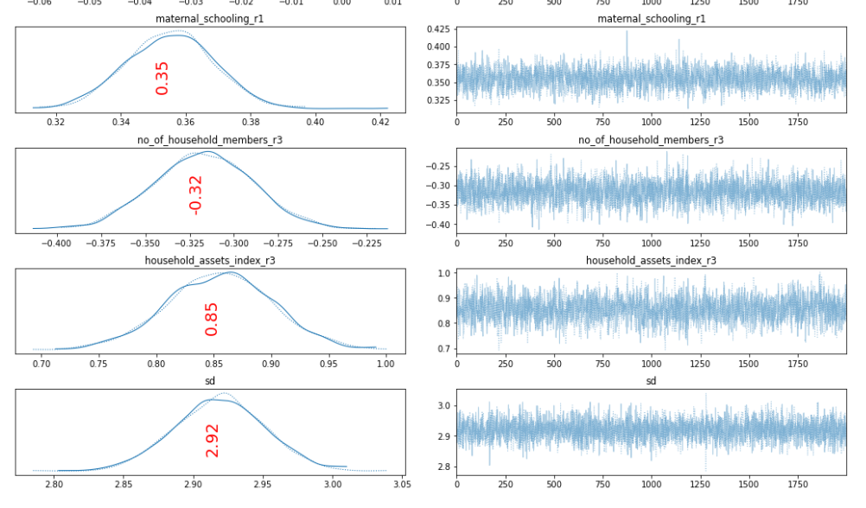

 |  |  |  |  |  |  | Model Variable Effects
 |  |  |  |  |  |  | effect of changing one variable while holding the others constant

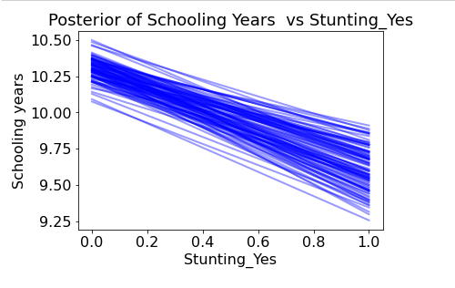

Make Predictions from Model
Test Observations
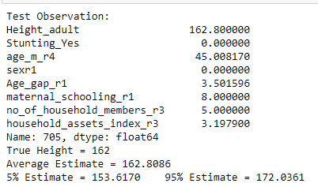

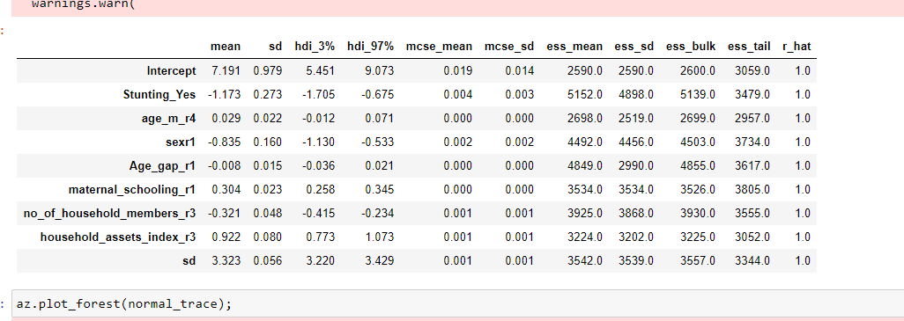
 |  |  | Original

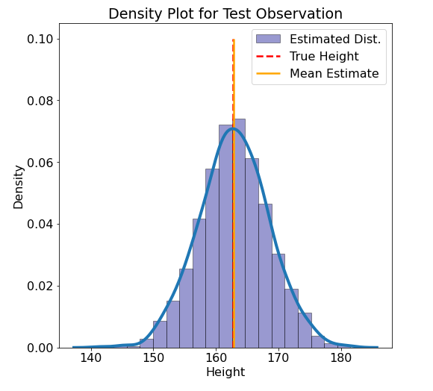

 |  |  | info | m15.4 | sd | 3.8

 |  | 'schooling_y_r5': pm.Normal.dist(mu=7.9, sigma=3.8) ,
 |  | 'schooling_y_r5': pm.Normal.dist(mu=7.3, sigma=3.8) ,
 |  | 'schooling_y_r5': pm.Normal.dist(mu=7.8, sigma=3.8) ,
 |  | 'schooling_y_r5': pm.Normal.dist(mu=7.6, sigma=3.8)

Standard ML Models Comparison
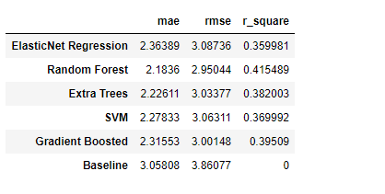
CognitionZ
 | Accuracy Metrics


Results




Height Adult







Schooling years

RF interpretation schooling

Schooling

Features




Model agnostics | Case 1

RF interpretation Cognition

Cognition Z

Features




LIME



LIME | Case 1

RF interpretation Height

Height Adult



LIME



Case 1

